Angels 2026
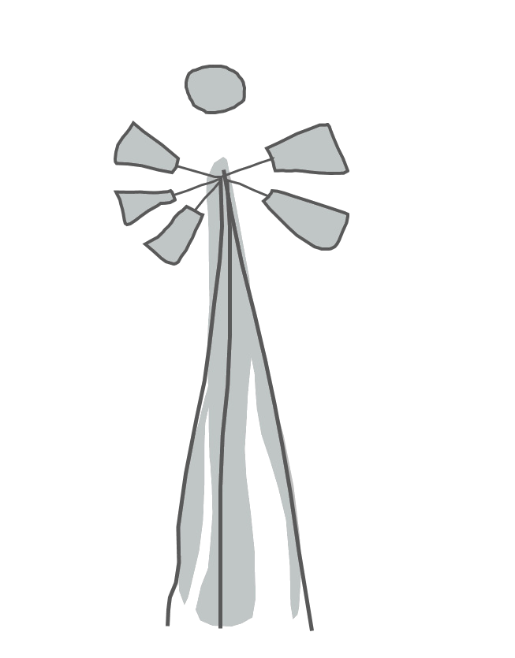

 | Karoo Angels 2026
 | Wholesale Order Form

 | Client name:
 | Order date:
 | Delivery date:

page 1 | Angel of the Year | Size | Price ex VAT | Quantity | Sub total ex VAT
 | Zara 2021 | M | ZAR 89.00 |  | ZAR 0.00
 | Ewa 2022 | M | ZAR 89.00 |  | ZAR 0.00
 | Alora 2023 | M | ZAR 89.00 |  | ZAR 0.00
 | Nala 2024 | M | ZAR 89.00 |  | ZAR 0.00
 | Elsa 2025 | M | ZAR 89.00 |  | ZAR 0.00
 | Mira 2026 | M | ZAR 89.00 |  | ZAR 0.00

page 2 | Gardi, Guardian and Kiran Angels | Size | Price ex VAT | Quantity | Sub total ex VAT
 | Gardi Silver Wing | M | ZAR 87.00 |  | ZAR 0.00
 | Gardi Gold | M | ZAR 87.00 |  | ZAR 0.00
 | Guardian Purple | M | ZAR 87.00 |  | ZAR 0.00
 | Guardian Pearly White | M | ZAR 87.00 |  | ZAR 0.00
 | Guardian Pink (Limited stock) | M | ZAR 87.00 |  | ZAR 0.00
 | Kiran Amber Wire Silver Lined Beads and Clear Pendant | M | ZAR 87.00 |  | ZAR 0.00
 | Kiran Ivory Wire Pink Beads and Leaf Pendant | M | ZAR 87.00 |  | ZAR 0.00

page 3 | Friendship Range | Size | Price ex VAT | Quantity | Sub total ex VAT
 | Olaf Small 3-D Wings | S | ZAR 78.00 |  | ZAR 0.00
 | Maria Small 3-D Wings | S | ZAR 78.00 |  | ZAR 0.00
 | Marlene Small 3-D Wings | S | ZAR 78.00 |  | ZAR 0.00
 | Rafiki Small 3-D Wings | S | ZAR 78.00 |  | ZAR 0.00
 | Gardi Small 3-D Wings | S | ZAR 78.00 |  | ZAR 0.00

page 4 | Classic Range 2-D wings | Size | Price ex VAT | Quantity | Sub total ex VAT
 | Lisa Boba | B | ZAR 56.00 |  | ZAR 0.00
 | Levona Felt | S | ZAR 68.00 |  | ZAR 0.00
 | Mia | M | ZAR 75.00 |  | ZAR 0.00
 | Skylar Pink (Limited stock) | M | ZAR 68.00 |  | ZAR 0.00
 | Skylar Dark Purple | S | ZAR 68.00 |  | ZAR 0.00
 | Skylar Pearly White | S | ZAR 68.00 |  | ZAR 0.00
 | Violet Tiny | M | ZAR 75.00 |  | ZAR 0.00
 | Zona Ruby | S | ZAR 68.00 |  | ZAR 0.00
 | Zona Icy | S | ZAR 68.00 |  | ZAR 0.00

page 5 | Aarde Range | Size | Price ex VAT | Quantity | Sub total ex VAT
 | Natania Small | S | ZAR 71.00 |  | ZAR 0.00
 | Natania | M | ZAR 87.00 |  | ZAR 0.00
 | Ronelle Small | S | ZAR 71.00 |  | ZAR 0.00
 | Ronelle | M | ZAR 87.00 |  | ZAR 0.00
 | Rose Small | S | ZAR 71.00 |  | ZAR 0.00
 | Rose | M | ZAR 87.00 |  | ZAR 0.00
 | Zuri Small | S | ZAR 71.00 |  | ZAR 0.00
 | Zuri | M | ZAR 87.00 |  | ZAR 0.00

page 6&7 | Wonder Charms Siyanda and Kamali | Size | Price ex VAT | Quantity | Sub total ex VAT
 | Siyanda Amber | C | ZAR 60.00 |  | ZAR 0.00
 | Siyanda Jade | C | ZAR 60.00 |  | ZAR 0.00
 | Siyanda Pearly | C | ZAR 60.00 |  | ZAR 0.00
 | Kamali Blush Small | S | ZAR 68.00 |  | ZAR 0.00
 | Kamali Forget Me Not Small | S | ZAR 68.00 |  | ZAR 0.00
 | Kamali Natural | S | ZAR 68.00 |  | ZAR 0.00
 | Kamali Soft Grass | S | ZAR 68.00 |  | ZAR 0.00
 | Kamali Blush Charm | C | ZAR 60.00 |  | ZAR 0.00
 | Kamali Forget Me Not Charm | C | ZAR 60.00 |  | ZAR 0.00
 | Kamali Natural Charm | C | ZAR 60.00 |  | ZAR 0.00
 | Kamali Soft Grass Charm | C | ZAR 60.00 |  | ZAR 0.00

page 8 | Malaika Range | Size | Price ex VAT | Quantity | Sub total ex VAT
 | Ameera | 26 cm | ZAR 330.00 |  | ZAR 0.00
 | Ameera Gold | 26 cm | ZAR 330.00 |  | ZAR 0.00
 | Ameera Treetopper | 26 cm | ZAR 380.00 |  | ZAR 0.00
 | Ameera Treetopper Gold | 26 cm | ZAR 380.00 |  | ZAR 0.00

page 9 | Wire Angels | Size | Price ex VAT | Quanity | Sub total ex VAT
 | Estalien Tiny Gold | 8cm | ZAR73.00 |  | ZAR0.00
 | Estalien Tiny Rose Gold | 8cm | ZAR73.00 |  | ZAR0.00
 | Estalien Tiny Silver | 8cm | ZAR73.00 |  | ZAR0.00
 | Sarie Silver Baba | B | ZAR 64.00 |  | ZAR 0.00
 | Sarie Silver Tiny | 15 cm | ZAR 120.00 |  | ZAR 0.00
 | Sarie Golden Baba | B | ZAR 64.00 |  | ZAR 0.00
 | Sarie Golden Tiny | 15 cm | ZAR 120.00 |  | ZAR 0.00

page 10&11 | Angel Mobiles & Engelespiel | Size | Price ex VAT | Quanity | Sub total ex VAT
 | Gardi Gold Mobile | W22,H50 cm | ZAR210.00 |  | ZAR0.00
 | Guardian Pearly Mobile - please indicate colour of wool | W22,H50 cm | ZAR210.00 |  | ZAR0.00
 | Engelespiel Gold | D8, H8 cm | ZAR 100.00 |  | ZAR 0.00
 | Engelespiel Silver | D8, H8 cm | ZAR 100.00 |  | ZAR 0.00
 | Juweel Pendants Set - please indicate colour of wire | H 2 cm | ZAR 120.00 |  | ZAR 0.00

page 12 | Display, Packaging and Extras | Size | Price ex VAT | Quantity
 | Gift Box -pillow box style |  | ZAR 6.00 |  | ZAR 0.00
 | Karoo Angels Branded Large Box w/Lid |  | ZAR 40.00 |  | ZAR 0.00
 | Carrier Bag Small |  | ZAR 9.00 |  | ZAR 0.00
 | Carrie Bag Large |  | ZAR 15.00 |  | ZAR 0.00
 | Free Gift Tags - please choose Yes or No |  | No

 | Subtotal, ex VAT |  |  |  | ZAR 0.00
 | Subtotal, ex VAT - Juweel Angels - transferred |  |  |  | ZAR 0.00
 | Subtotal, ex VAT - Vintage Angels - transferred |  |  |  | ZAR 0.00

 | Grand total, VAT excluded |  |  |  | ZAR 0.00
 | Export - please choose Yes or No | No
 | 15% VAT - applicable to all domestic sales |  |  |  | ZAR 0.00

 | Grand total, VAT included |  |  |  | ZAR 0.00

